Project Information
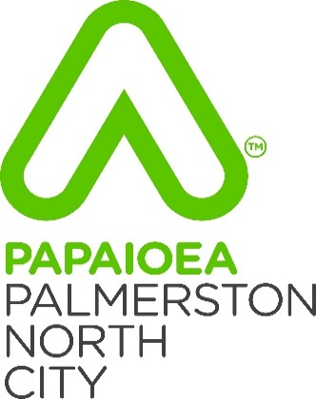
Project #### Asset Schedule
Programme ID: |  | Prepared By:
Programm Location: |  | Date:

As-Built plans:
Please attach/send any plans that meet the requirements of PNCC Engineering Standards for Land Development
https://www.pncc.govt.nz/council-city/official-documents/plans/engineering-standards-for-land-development/

WITHIN THIS TEMPLATE

Project Information: | This tab contains information about the project as a whole
3 Waters Reticulation: | This tab collects Asset data for all reticulation Assets, plans should also be provided showing the new Assets spatially including Vertical Datum
Plant & Equipment: | This tab collects Asset data for any new Plant Assets including but not limited to Turitea Water Treatment Plant & Ashhursy Sewer Pump Station
Resource Recovery | This tab collects Asset data for any new Rubbish & Recycling Assets including but not limited to Awapuni Weighbridge & Ferguson St Recylcing center
Data Validation: | This tab is for Admin Staff

3 Waters Reticulation

Appendix 12A Schedule of Assets - 3 Waters
 |  | Project #### Asset Schedule

 |  | 3 Waters Reticulation

Activity | Description | Unit | Quantity | Rate | Total Amount | Comment
Water | 50 Internal Diameter MDPE PN12.5 Ridermain | m | 120 | $120 | $14,400.00

